cover
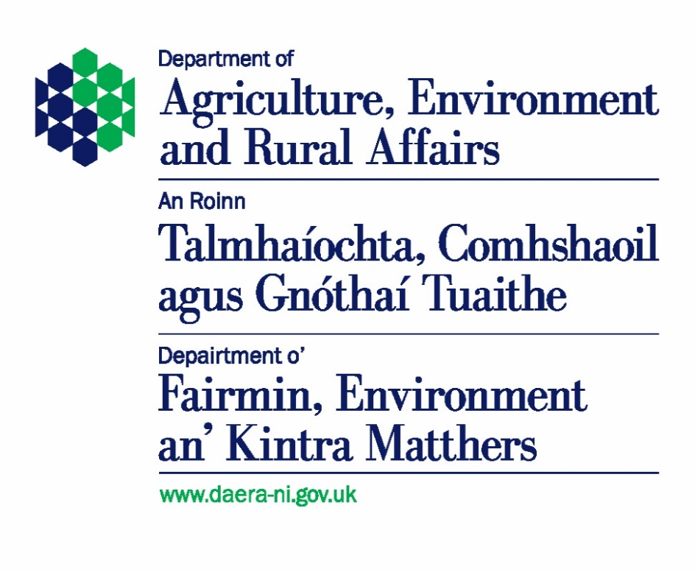

Continuous Household Survey - Environment Module

2025/26 Statistics

Published 19th August 2026

Details of the Continuous Household Survey can be found at:
https://www.nisra.gov.uk/statistics/find-your-survey/continuous-household-survey

For more information about environmental statistics published by DAERA see:
https://www.daera-ni.gov.uk/articles/environmental-statistics

concern
Level of concern for the environment, 2021/22 - 2025/26
Question asked: In general, how concerned or not are you personally about the environmental issues that impact on you? Are you….
 |  |  |  |  | Unit: Percentage
 | 2021/22 | 2022/23 | 2023/24 | 2024/25 | 2025/26 |  | Confidence intervals (95% level)
 |  |  |  |  |  |  | limits (+/-) | lower limit | upper limit
Very concerned | 28 | 27 | 27 | 26 | 22 |  | 2 | 20 | 24
Fairly concerned | 52 | 52 | 51 | 46 | 49 |  | 2 | 47 | 52
Not very concerned | 15 | 16 | 17 | 20 | 20 |  | 2 | 19 | 22
Not at all concerned | 4 | 4 | 5 | 7 | 8 |  | 1 | 7 | 9

Number of responses | 4,080 | 2,427 | 2,478 | 2,253 | 1,989 |  | The confidence interval calculated indicates that we can be 95% certain that the proportion of households very concerned for the environment is between 20% and 24% with a central estimate of 22%.
Source: Continuous Household Survey, NISRA

Note: Totals may not sum to 100% due to rounding.
Percentages are calculated using weighted totals but response numbers presented for categories and the base used for the confidence intervals are unweighted
From 2022/23, the CHS questionnaire was split into two versions to reduce survey burden. Half the sample completed one version whilst the other half completed another, reducing the number of responses compared to 2021/22.

Level of concern for the environment by sex and age, 2025/26 |  |  |  |  |  | Unit: Percentage
 | Male | Female | 16-44 | 45-64 | 65+ | Overall
Concerned | 72 | 72 | 69 | 75 | 74 | 71
Not concerned | 28 | 28 | 31 | 25 | 26 | 29

Number of reponses | 886 | 1,102 | 585 | 740 | 664 | 1,989

Level of concern for the environment, 2025/26

problems
Environmental problems considered most important, 2021/22 - 2025/26
Question: Which, if any, of the following environmental problems is most important to you?
 |  |  |  |  | Unit: Percentage
 | 2021/22 | 2022/23 | 2023/24 | 2024/25 | 2025/26 |  | Confidence intervals (95% level)
 |  |  |  |  |  |  | limits (+/-) | lower limit | upper limit
Illegal dumping of Waste and Litter | 32 | 31 | 26 | 25 | 33 |  | 2 | 31 | 35
Pollution of Air, Water and soil | 17 | 18 | 22 | 28 | 29 |  | 2 | 27 | 31
Climate change and Ozone layer depletion | 27 | 28 | 29 | 24 | 20 |  | 2 | 18 | 21
Loss of plant and wildlife biodiversity | 10 | 9 | 11 | 9 | 9 |  | 1 | 8 | 11
Waste management (eg landfill, recycling, energy recovery) | 11 | 10 | 8 | 9 | 9 |  | 1 | 7 | 10
None of these | 4 | 2 | 3 | 3 | -
Other | 1 | 0 | 1 | 1 | - |  | The confidence interval calculated indicates that we can be 95% certain that the proportion of households considering Illegal dumping of Waste and Litter as an important environment problem is between 31% and 35%, with a central estimate of 33%.

Number of respones | 4,081 | 2,420 | 2,480 | 2,248 | 1,971
Source: Continuous Household Survey, NISRA

Note: Totals may not sum to 100% due to rounding.
Percentages are calculated using weighted totals but response numbers presented for categories and the base used for the confidence intervals are unweighted
From 2022/23, the CHS questionnaire was split into two versions to reduce survey burden. Half the sample completed one version whilst the other half completed another, reducing the number of responses compared to 2021/22.
- Answer categories removed from questionnaire in 2025/26 to reduce survey burden

Environmental problems considered most important by sex and age, 2025/26 |  |  |  |  |  | Unit: Percentage
 | Male | Female | 16-44 | 45-64 | 65+ | Overall
Illegal dumping of Waste and Litter | 33 | 33 | 32 | 32 | 39 | 33
Pollution of Air, Water and soil | 30 | 28 | 29 | 31 | 27 | 29
Climate change and Ozone layer depletion | 19 | 21 | 21 | 17 | 18 | 20
Loss of plant and wildlife biodiversity | 9 | 10 | 9 | 9 | 9 | 9
Waste management (eg landfill, recycling, energy recovery) | 9 | 9 | 9 | 10 | 7 | 9

Number of reponses | 879 | 1,091 | 579 | 737 | 655 | 1,971

Environmental problems considered most important, 2025/26

actions
Actions taken that have a positive impact on the environment, 2021/22 - 2025/26
Question: Which, if any, of the following actions have you taken in the last 12 months?
 |  |  |  |  | Unit: Percentage
 | 2021/22 | 2022/23 | 2023/24 | 2024/25 | 2025/26 |  | Confidence intervals (95% level)
 |  |  |  |  |  |  | limits (+/-) | lower limit | upper limit
Reused, Recycled and disposed of waste products appropriately | 92 | 93 | 91 | 90 | 89 |  | 1 | 88 | 90
Reduced food waste | 69 | 74 | 73 | 69 | 66 |  | 2 | 64 | 68
Reduced consumption of household utilities | 51 | 68 | 63 | 59 | 52 |  | 2 | 49 | 54
Encouraged plant and wildlife biodiversity | 39 | 38 | 33 | 30 | 27 |  | 2 | 25 | 29
Bought organic or sustainable products | 35 | 36 | 31 | 28 | 26 |  | 2 | 24 | 28
Reduced the number of car journeys | 32 | 36 | 28 | 28 | 24 |  | 2 | 22 | 26
Joined or donated to an environment group/organisation | 9 | 8 | 7 | 8 | 6 |  | 1 | 5 | 7
None of these | 4 | 2 | 3 | 3 | 3 |  | 1 | 2 | 4

Number of respondents* | 4,092 | 2,428 | 2,479 | 2,255 | 1,993 |  | The confidence interval calculated indicates that we can be 95% certain that the proportion of households who disposed of waste products appropriately is between 88% and 90% with a central estimate of 89%.
Source: Continuous Household Survey, NISRA

* Multiple responses permitted.
Percentages are calculated using weighted totals but respondent numbers presented for categories and the base used for the confidence intervals are unweighted
From 2022/23, the CHS questionnaire was split into two versions to reduce survey burden. Half the sample completed one version whilst the other half completed another, reducing the number of responses compared to 2021/22.

Actions taken that have a positive impact on the environment by sex and age, 2025/26 |  |  |  |  |  | Unit: Percentage
 | Male | Female | 16-44 | 45-64 | 65+ | Overall
Reused, Recycled and disposed of waste products appropriately | 89 | 88 | 88 | 92 | 88 | 89 |  |  |  | Recycled
Reduced food waste | 61 | 70 | 67 | 70 | 60 | 66 |  |  |  | Reduced food waste
Reduced consumption of household utilities | 51 | 52 | 50 | 56 | 45 | 52 |  |  |  | Reduced consumption
Encouraged plant and wildlife biodiversity | 27 | 26 | 25 | 31 | 30 | 27 |  |  |  | Encouraged biodiversity
Bought organic or sustainable products | 24 | 27 | 28 | 29 | 22 | 26 |  |  |  | Organic or sustainable products
Reduced the number of car journeys | 25 | 22 | 25 | 25 | 21 | 24 |  |  |  | Reduced car journeys
Joined or donated to an environment group/organisation | 5 | 6 | 7 | 6 | 4 | 6 |  |  |  | Environment group/organisation
None of these | 4 | 3 | 2 | 3 | 5 | 3 |  |  |  | None

Number of respondents* | 887 | 1,105 | 585 | 743 | 665 | 1,993

* Multiple responses permitted.

Actions taken that have a positive impact on the environment, 2025/26

Threats to biodiversity
Considered to be the greatest threat to biodiversity, 2021/22 - 2025/26
Which of the following do you consider to be the greatest threat to biodiversity?
 |  |  |  |  | Unit: Percentage
 | 2021/22 | 2022/23 | 2023/24 | 2024/25 | 2025/26 |  | Confidence intervals (95% level)
 |  |  |  |  |  |  | limits (+/-) | lower limit | upper limit
Pollution (air, land and water) | 39 | 41 | 41 | 47 | 50 |  | 2 | 47 | 52
Climate Change | 34 | 32 | 34 | 28 | 25 |  | 2 | 23 | 27
Habitat loss by human activity (agriculture, development, industry) | 25 | 23 | 22 | 23 | 22 |  | 2 | 20 | 24
Non-native invasive species | 2 | 3 | 2 | 2 | 3 |  | 1 | 2 | 4
Other | 0 | 1 | 1 | 1 | -
 |  |  |  |  |  |  | The confidence interval calculated indicates that we can be 95% certain that the proportion of households who consider Pollution (air, land and water) to be the greatest threat to biodiversity is between 47% and 52% with a central estimate of 50%.
Number of respones | 3,987 | 2,382 | 2,448 | 2,212 | 1,952
Source: Continuous Household Survey, NISRA

Note: Totals may not sum to 100% due to rounding.
Percentages are calculated using weighted totals but response numbers presented for categories and the base used for the confidence intervals are unweighted
From 2022/23, the CHS questionnaire was split into two versions to reduce survey burden. Half the sample completed one version whilst the other half completed another, reducing the number of responses compared to 2021/22.
- Answer category removed from questionnaire in 2025/26 to reduce survey burden

Considered to be the greatest threat to biodiversity by sex and age, 2025/26 |  |  |  |  |  | Unit: Percentage
 | Male | Female | 16-44 | 45-64 | 65+ | Overall
Pollution (air, land and water) | 51 | 48 | 48 | 49 | 53 | 50
Climate Change | 24 | 27 | 25 | 24 | 29 | 25
Habitat loss by human activity (agriculture, development, industry) | 21 | 23 | 23 | 24 | 16 | 22
Non-native invasive species | 4 | 2 | 3 | 3 | 2 | 3

Number of reponses | 872 | 1,079 | 570 | 728 | 654 | 1,952

Considered to be the greatest threat to biodiversity, 2025/26

Climate change
Considered important in helping to tackle climate change in Northern Ireland, 2022/23 - 2025/26
Which of the following do you consider important in helping to tackle climate change in Northern Ireland?
 |  |  |  | Unit: Percentage
 | 2022/23 | 2023/24 | 2024/25 | 2025/26 |  | Confidence intervals (95% level)
 |  |  |  |  |  | limits (+/-) | lower limit | upper limit
Protecting the environment. E.g. actions to protect and enhance natural areas | 64 | 69 | 69 | 68 |  | 2 | 66 | 70
Grow the economy in an environmentally sustainable way | 60 | 65 | 62 | 55 |  | 2 | 53 | 57
Reducing emissions | 64 | 64 | 63 | 58 |  | 2 | 56 | 60
Ensure society can adapt to changes brought about by climate change | 54 | 59 | 56 | 54 |  | 2 | 52 | 57
Other | 1 | 2 | 2 | -
 |  |  |  |  |  | The confidence interval calculated indicates that we can be 95% certain that the proportion of households who consider protecting the environment important in helping to tackle climate change is between 66% and 70% with a central estimate of 68%.
Number of respondents* | 2,354 | 2,414 | 2,180 | 1,913
Source: Continuous Household Survey, NISRA

* Multiple responses permitted.
Percentages are calculated using weighted totals but respondent numbers presented for categories and the base used for the confidence intervals are unweighted
- Answer category removed from questionnaire in 2025/26 to reduce survey burden

Considered important in helping to tackle climate change in Northern Ireland by sex and age, 2025/26 |  |  |  |  |  | Unit: Percentage
 | Male | Female | 16-44 | 45-64 | 65+ | Overall
Protecting the environment. E.g. actions to protect and enhance natural areas | 68 | 69 | 67 | 68 | 68 | 68 |  | Protecting the environment
Grow the economy in an environmentally sustainable way | 55 | 55 | 58 | 58 | 51 | 55 |  | Grow the economy sustainably
Reducing emissions | 58 | 57 | 58 | 59 | 56 | 58 |  | Reducing emissions
Ensure society can adapt to changes brought about by climate change | 53 | 56 | 57 | 55 | 49 | 54 |  | Ensure society can adapt to climate change

Number of respondents* | 845 | 1,067 | 566 | 717 | 630 | 1,913

* Multiple responses permitted.

Considered important in helping to tackle climate change in Northern Ireland, 2025/26

CBL paid
Amount paid for the last carrier bag bought, 2022/23 - 2025/26
When shopping, how much did you pay for the last carrier bag you bought?
 |  |  |  | Unit: Percentage
 | 2022/23 | 2023/24 | 2024/25 | 2025/26 |  | Confidence intervals (95% level)
 |  |  |  |  |  | limits (+/-) | lower limit | upper limit
25p | 37 | 27 | 23 | 24 |  | 2 | 22 | 26
26p to 50p | 13 | 16 | 21 | 17 |  | 2 | 15 | 19
51p to £1 | 3 | 5 | 5 | 4 |  | 1 | 3 | 5
Over £1 | 2 | 3 | 4 | 2 |  | 1 | 2 | 3
Did not buy a carrier bag | 44 | 48 | 48 | 53 |  | 2 | 51 | 55

Number of respones | 2,408 | 2,456 | 2,230 | 1,964 |  | The confidence interval calculated indicates that we can be 95% certain that the proportion of households who did not pay for a carrier bag is between 51% and 55%, with a central estimate of 53%.
Source: Continuous Household Survey, NISRA

Note: Totals may not sum to 100% due to rounding.
Percentages are calculated using weighted totals but response numbers presented for categories and the base used for the confidence intervals are unweighted

Amount paid for the last carrier bag bought by age and sex, 2025/26 |  |  |  |  |  | Unit: Percentage
 | Male | Female | 16-44 | 45-64 | 65+ | Overall
25p | 23 | 24 | 25 | 26 | 19 | 24
26p to 50p | 15 | 19 | 22 | 16 | 10 | 17
51p to £1 | 4 | 5 | 6 | 4 | 3 | 4
Over £1 | 2 | 3 | 2 | 4 | 2 | 2
Did not buy a carrier bag | 57 | 49 | 45 | 51 | 67 | 53

Number of reponses | 867 | 1,096 | 574 | 734 | 656 | 1,964

Amount paid for the last carrier bag bought, 2025/26

