Cover
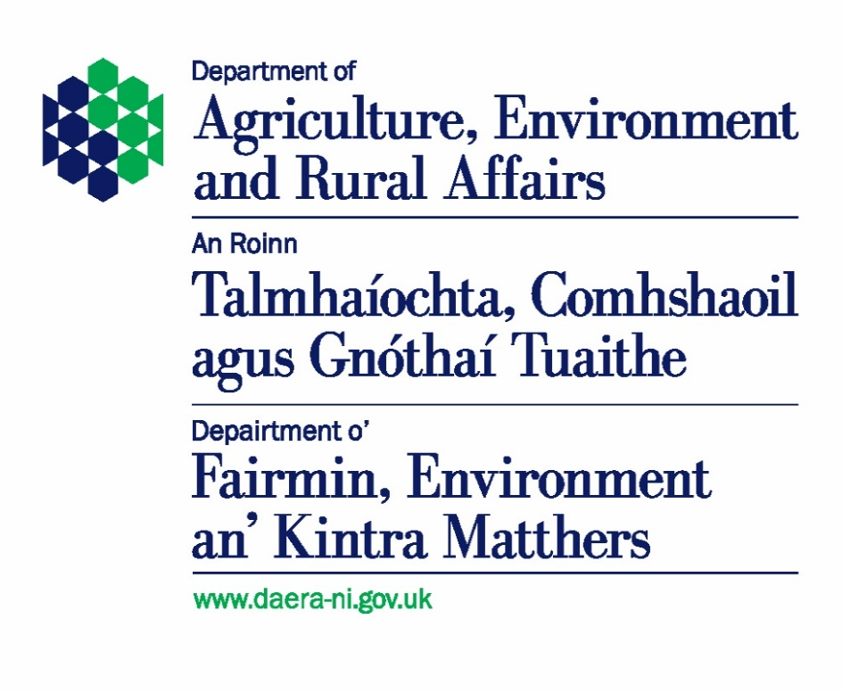
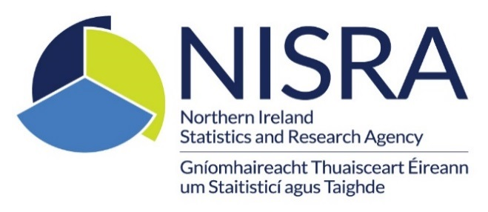
Northern Ireland Carrier Bag Levy Statistics 2025/26
data and charts

This spreadsheet contains the tables and charts used in the Northern Ireland carrier bag levy statistics 2025/26

Date of publication: | 20 August 2026

Coverage: | Northern Ireland
Theme: | Agriculture and Environment
Frequency: | Annual
Reporting period: | 1 April 2025 to 31 March 2026, referred to as 2025/26
National Statistics data: | No

Statistician: | Conor McCormack
Telephone: | 028 9016 3343
Email: | env.stats@daera-ni.gov.uk
URL: | https://www.daera-ni.gov.uk/articles/northern-ireland-carrier-bag-levy-statistics

Address: | Statistics and Analytical Services Branch
 | Department of Agriculture, Environment and Rural Affairs
 | Clare House
 | 303 Airport Road West
 | Sydenham Intake
 | Belfast BT3 9ED

Figure1
Figure 1: Carrier bags dispensed by rate |  |  |  | back to contents
Northern Ireland, 2025/26

Carrier bags dispensed by rate
Northern Ireland, 2022/23, 2023/24, 2024/25, 2025/26

Year | Number of lower rate bags | Number of upper rate bags | Total carrier bags dispensed
2022/23 | 28,738,021 | 36,227,454 | 64,965,475
2023/24 | 21,206,096 | 38,487,201 | 59,693,297
2024/25 | 18,706,645 | 40,445,137 | 59,151,782
2025/26 | 18,751,474 | 41,899,934 | 60,651,408

As notified to the Department by 30th June each financial year
Bags at the lower rate are those only costing the customer the revised 25p levy.
Bags at the upper rate are those which have had a price added by the retailer and costing five pounds or less.

Figure2
Figure 2: Carrier bags dispensed by quarter and rate |  |  |  |  |  | back to contents
Northern Ireland, Q1 2022/23 to Q4 2025/26
 | Lower Rate | Upper Rate
Q1 22/23 | 58% | 42%
Q1 23/24 | 38% | 62%
Q1 24/25 | 32% | 68%
Q1 25/26 | 31% | 69%
Q2 22/23 | 42% | 58%
Q2 23/24 | 36% | 64%
Q2 24/25 | 32% | 68%
Q2 25/26 | 31% | 69%
Q3 22/23 | 41% | 59%
Q3 23/24 | 36% | 64%
Q3 24/25 | 34% | 66%
Q3 25/26 | 33% | 67%
Q4 22/23 | 35% | 65%
Q4 23/24 | 31% | 69%
Q4 24/25 | 28% | 72%
Q4 25/26 | 28% | 72%
Total 22/23 | 44% | 56%
Total 23/24 | 36% | 64%
Total 24/25 | 32% | 68%
Total 25/26 | 31% | 69%

Carrier bags dispensed by quarter and rate
Northern Ireland, 2022/23 to 2025/26

2022/23
Quarter | Lower rate | % | Upper rate | % | Total bags
Q1 | 9,516,262 | 58% | 6,950,526 | 42% | 16,466,788
Q2 | 6,870,605 | 42% | 9,498,337 | 58% | 16,368,942
Q3 | 7,286,483 | 41% | 10,490,370 | 59% | 17,776,853
Q4 | 5,064,671 | 35% | 9,288,221 | 65% | 14,352,892
Total | 28,738,021 | 44% | 36,227,454 | 56% | 64,965,475
2023/24
Quarter | Lower rate | % | Upper rate | % | Total bags
Q1 | 5,828,036 | 38% | 9,487,135 | 62% | 15,315,171
Q2 | 5,367,400 | 36% | 9,528,208 | 64% | 14,895,608
Q3 | 5,901,706 | 36% | 10,534,460 | 64% | 16,436,166
Q4 | 4,108,954 | 31% | 8,937,398 | 69% | 13,046,352
Total | 21,206,096 | 36% | 38,487,201 | 64% | 59,693,297
2024/25
Quarter | Lower rate | % | Upper rate | % | Total bags
Q1 | 4,655,261 | 32% | 10,030,500 | 68% | 14,685,761
Q2 | 4,776,811 | 32% | 10,191,965 | 68% | 14,968,776
Q3 | 5,558,152 | 34% | 10,578,734 | 66% | 16,136,886
Q4 | 3,716,421 | 28% | 9,643,938 | 72% | 13,360,359
Total | 18,706,645 | 32% | 40,445,137 | 68% | 59,151,782
2025/26
Quarter | Lower rate | % | Upper rate | % | Total bags
Q1 | 4,611,223 | 31% | 10,281,889 | 69% | 14,893,112
Q2 | 4,698,957 | 31% | 10,402,538 | 69% | 15,101,495
Q3 | 5,546,665 | 33% | 11,218,274 | 67% | 16,764,939
Q4 | 3,894,629 | 28% | 9,997,233 | 72% | 13,891,862
Total | 18,751,474 | 31% | 41,899,934 | 69% | 60,651,408

As notified to the Department by 30th June each financial year
Bags at the lower rate are those only costing the customer the revised 25p levy.
Bags at the upper rate are those which have had a price added by the retailer and costing five pounds or less.

Quarter | Lower Rate | Upper Rate

Q1 22/23 | 58% | 42%
Q1 23/24 | 38% | 62%
Q1 24/25 | 32% | 68%
Q1 25/26 | 31% | 69%

Q2 22/23 | 42% | 58%
Q2 23/24 | 36% | 64%
Q2 24/25 | 32% | 68%
Q2 25/26 | 31% | 69%

Q3 22/23 | 41% | 59%
Q3 23/24 | 36% | 64%
Q3 24/25 | 34% | 66%
Q3 25/26 | 33% | 67%

Q4 22/23 | 35% | 65%
Q4 23/24 | 31% | 69%
Q4 24/25 | 28% | 72%
Q4 25/26 | 28% | 72%

Total 22/23 | 44% | 56%
Total 23/24 | 36% | 64%
Total 24/25 | 32% | 68%
Total 25/26 | 31% | 69%

Figure3
Figure 3: Carrier bags dispensed by quarter and rate |  |  |  |  | back to contents
Northern Ireland, Q1 2022/23 to Q4 2025/26

 | Total | Lower rate | Upper rate
Q1 | 16,466,788 | 9,516,262 | 6,950,526
Q2 | 16,368,942 | 6,870,605 | 9,498,337
Q3 | 17,776,853 | 7,286,483 | 10,490,370
Q4 | 14,352,892 | 5,064,671 | 9,288,221
Q1 | 15,315,171 | 5,828,036 | 9,487,135
Q2 | 14,895,608 | 5,367,400 | 9,528,208
Q3 | 16,436,166 | 5,901,706 | 10,534,460
Q4 | 13,046,352 | 4,108,954 | 8,937,398
Q1 | 14,685,761 | 4,655,261 | 10,030,500
Q2 | 14,968,776 | 4,776,811 | 10,191,965
Q3 | 16,136,886 | 5,558,152 | 10,578,734
Q4 | 13,360,359 | 3,716,421 | 9,643,938
Q1 | 14,893,112 | 4,611,223 | 10,281,889
Q2 | 15,101,495 | 4,698,957 | 10,402,538
Q3 | 16,764,939 | 5,546,665 | 11,218,274
Q4 | 13,891,862 | 3,894,629 | 9,997,233

Carrier bags dispensed by quarter and rate
Northern Ireland, Q1 2022/23 to Q4 2025/26

Year | Quarter | Lower rate | Upper rate | Total
2022/23 | Q1 | 9,516,262 | 6,950,526 | 16,466,788
 | Q2 | 6,870,605 | 9,498,337 | 16,368,942
 | Q3 | 7,286,483 | 10,490,370 | 17,776,853
 | Q4 | 5,064,671 | 9,288,221 | 14,352,892
 | Total | 28,738,021 | 36,227,454 | 64,965,475
2023/24 | Q1 | 5,828,036 | 9,487,135 | 15,315,171
 | Q2 | 5,367,400 | 9,528,208 | 14,895,608
 | Q3 | 5,901,706 | 10,534,460 | 16,436,166
 | Q4 | 4,108,954 | 8,937,398 | 13,046,352
 | Total | 21,206,096 | 38,487,201 | 59,693,297
2024/25 | Q1 | 4,655,261 | 10,030,500 | 14,685,761
 | Q2 | 4,776,811 | 10,191,965 | 14,968,776
 | Q3 | 5,558,152 | 10,578,734 | 16,136,886
 | Q4 | 3,716,421 | 9,643,938 | 13,360,359
 | Total | 18,706,645 | 40,445,137 | 59,151,782
2025/26 | Q1 | 4,611,223 | 10,281,889 | 14,893,112
 | Q2 | 4,698,957 | 10,402,538 | 15,101,495
 | Q3 | 5,546,665 | 11,218,274 | 16,764,939
 | Q4 | 3,894,629 | 9,997,233 | 13,891,862
 | Total | 18,751,474 | 41,899,934 | 60,651,408

As notified to the Department by 30th June each financial year
Bags at the lower rate are those only costing the customer the revised 25p levy.
Bags at the upper rate are those which have had a price added by the retailer and costing five pounds or less.

